Details
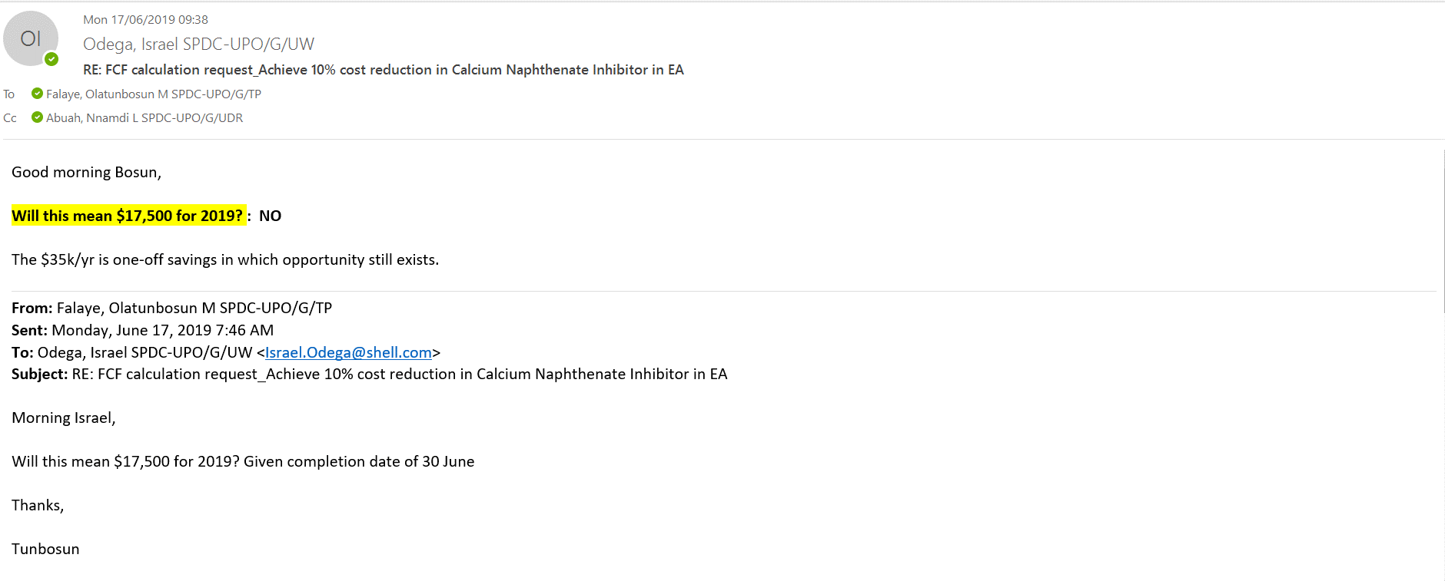

USD | 36,853
NGN | 1,200,000
FUSD | 40,787

